ART
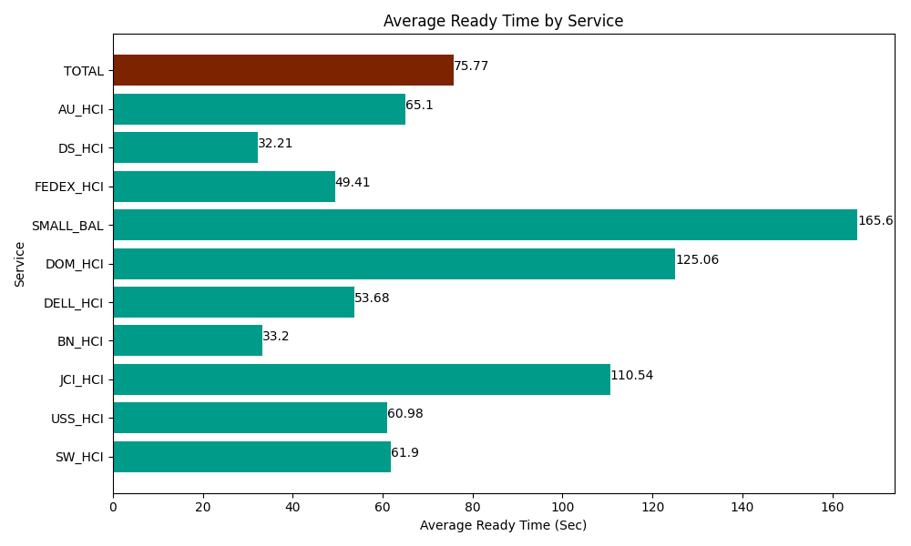
Date | Service | Successful Op Transfer | In Call (Sec) | Ready (Sec) | Wrapup (Sec) | Not Ready (Sec) | Average Ready Time (Sec)
04-22-2024 | SW_HCI | 121 | 5640 | 7489.8001099 | 6790.8000183 | 4331.9998169 | 61.9
04-22-2024 | USS_HCI | 362 | 41923.198242 | 22073.999634 | 51496.801758 | 22012.199707 | 60.98
04-22-2024 | JCI_HCI | 177 | 15433.800659 | 19566.000366 | 22648.200073 | 4976.9998169 | 110.54
04-22-2024 | BN_HCI | 1064 | 60304.801025 | 35320.198975 | 103840.20264 | 78064.797363 | 33.2
04-22-2024 | DELL_HCI | 201 | 21775.799561 | 10789.80011 | 37819.801025 | 24717.000732 | 53.68
04-22-2024 | DOM_HCI | 14 | 1861.2000275 | 1750.8000183 | 1204.7999954 | 46.799998283 | 125.06
04-22-2024 | SMALL_BAL | 2 | 41.999999285 | 331.19999886 | 294.00000572 | 75 | 165.6
04-22-2024 | FEDEX_HCI | 155 | 13788.000183 | 7659.0000916 | 10825.19989 | 14422.800293 | 49.41
04-22-2024 | DS_HCI | 680 | 42957.000732 | 21904.799194 | 69375 | 85915.803223 | 32.21
04-22-2024 | AU_HCI | 239 | 17533.800659 | 15559.799194 | 20410.200806 | 15364.799194 | 65.1
 | TOTAL | 3015 | 221259.60109 | 142445.39769 | 324705.00621 | 249928.20014 | 75.77

